Volumetric
Distance from Injector With Radial Flow - Volumetric method
Equation Symbol | Input data | Values |  | Equation Used to Calculate Radius /w Dispersion

Wi | Cumulative Water Injected | 979445 | Bbl
qi | Injection Rate | 1000 | bbl/d
ti | Remaining Project Life | 20 | yr
 |  | 7305 | days
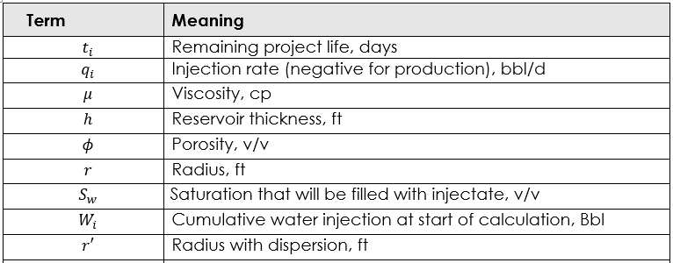
h | Reservoir Thickness | 164 | ft
f | Porosity | 0.27 | v/v
Sw | Water Saturation | 0.8 | v/v
D | Dispersion | 3 | ft

 | Calculations
r | Radius | 647 | ft
r | Radius with Dispersion | 748 | ft

 |  |  |  | r' is from an EPA document "An Introduction to the Technology of Subsurface Wastewater Injection" (Warner and Lehr 1972, pg. 112)
 |  |  |  | Warner and Lehr suggests D=3ft for sandstone reservoirs

 |  |  |  | The calculation is derived from a concentration of 0.2% at r' "Dynamics of fluids in porous media" (Bear 1972) (note ai=D, r=r', r_bar=r)

 |  |  |  | NOTE: The appropriate use of the volumetric method is to roughly estimate the fluid front to check if injection may have reached a USDW

